Literature
molality vs temperature
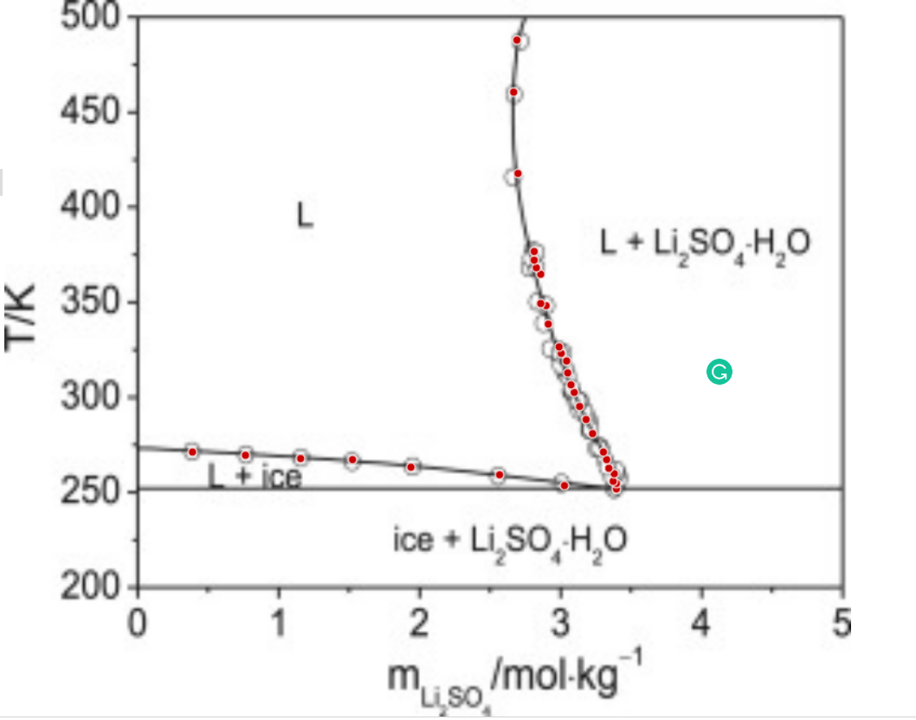
 | v | 3
 | 1000/W | 55.555555556

0.39721750992 | 271.77023033 |  | 0.020999315561
0.77343371984 | 270.10528341 |  | 0.040091003248
1.1650110472 | 268.44208538 |  | 0.059187100733
1.5336341431 | 267.91479389 |  | 0.076482269458
1.9480782572 | 263.97715945 |  | 0.095183301773
2.5775780152 | 260.06400951 |  | 0.12218269911
3.0379743146 | 254.42382693 |  | 0.14093082479
3.4065099658 | 252.75800556 |  | 0.15537083421
3.4067285775 | 255.60433026 |  | 0.15537925582
3.3837743461 | 256.7402368 |  | 0.15449406904
3.3917609612 | 260.72596583 |  | 0.15480226824
phi2 vs T from Literature
3.3535767794 | 263.56791829 |  | 0.15332672676
3.3385654407 | 268.12028892 |  | 0.15274523568
3.315829821 | 272.10252016 |  | 0.1518630082
3.2397675137 | 281.77127967 |  | 0.14889810295
3.1942525519 | 289.1664772 |  | 0.14711399764
3.1486938678 | 295.9924098 |  | 0.14532067216
3.1108594647 | 303.38848179 |  | 0.14382565542
3.088123845 | 307.37071302 |  | 0.14292474476
3.0655631147 | 313.63000402 |  | 0.14202888808
3.0583635018 | 319.89104391 |  | 0.14174260669
3.0202667646 | 323.87152626 |  | 0.1402245635
3.0051679813 | 327.28536701 |  | 0.13962143433
2.9292805634 | 339.23118627 |  | 0.13657721019
2.9146627258 | 348.90694136 |  | 0.13598833942
2.876347377 | 350.041099 |  | 0.13444100987
2.8775278803 | 365.41125238 |  | 0.13448876613
2.8470679795 | 368.82334423 |  | 0.13325484792
2.8320129185 | 372.80644992 |  | 0.13264367338
2.8323626973 | 377.36056944 |  | 0.13265788277
2.7203023254 | 418.33452841 |  | 0.12808160799
2.6928592665 | 461.02590112 |  | 0.12695352908
2.7179996152 | 488.35324157 |  | 0.12798706446

v8
phi2 vs T from Literature
0.020999315561 | 271.77023033
0.040091003248 | 270.10528341 | 0.154949 | 257
0.059187100733 | 268.44208538 | 0.131279 | 259
0.076482269458 | 267.91479389 | 0.0733166 | 264
0.095183301773 | 263.97715945 | 0.0149808 | 267
0.12218269911 | 260.06400951
0.14093082479 | 254.42382693
0.15537083421 | 252.75800556
0.15537925582 | 255.60433026
0.15449406904 | 256.7402368
0.15480226824 | 260.72596583
0.15332672676 | 263.56791829
0.15274523568 | 268.12028892
0.1518630082 | 272.10252016
0.14889810295 | 281.77127967
0.14711399764 | 289.1664772
0.14532067216 | 295.9924098
0.14382565542 | 303.38848179
0.14292474476 | 307.37071302
0.14202888808 | 313.63000402
0.14174260669 | 319.89104391
0.1402245635 | 323.87152626
0.13962143433 | 327.28536701
0.13657721019 | 339.23118627
0.13598833942 | 348.90694136
0.13444100987 | 350.041099
0.13448876613 | 365.41125238
0.13325484792 | 368.82334423
0.13264367338 | 372.80644992
0.13265788277 | 377.36056944
0.12808160799 | 418.33452841
0.12695352908 | 461.02590112
0.12798706446 | 488.35324157
{m1- | 0.130881,m2-
{m1- | 0.154949,m2- | 0.154949 | 257
{m1- | 0.131279,m2- | 0.131279 | 259
{m1- | 0.0733166,m2- | 0.0733166 | 264
{m1- | 0.00579714,m2- | 0.0149808 | 267
{m1- | 0.0107371,m2-
{m1- | 0.0149808,m2-
{m1- | 0.0106611,m2-
{m1- | 0.00126161,m2-
0.154949 | 257
0.131279 | 259
0.0733166 | 264
0.0149808 | 267

v5
{m1- | 0.130139,m2- | 0.130139 | 497
{m1- | 0.130004,m2- | 0.130004 | 495
{m1- | 0.129876,m2- | 0.129876 | 493
{m1- | 0.129816,m2- | 0.129816 | 492
{m1- | 0.129644,m2- | 0.129644 | 489
{m1- | 0.12935,m2- | 0.12935 | 483
phi2 vs T from Literature
0.020999315561 | 271.77023033 | 0.130139 | 497
0.040091003248 | 270.10528341 | 0.130004 | 495
0.059187100733 | 268.44208538 | 0.129876 | 493
0.076482269458 | 267.91479389 | 0.129816 | 492
0.095183301773 | 263.97715945 | 0.129644 | 489
0.12218269911 | 260.06400951 | 0.12935 | 483
0.14093082479 | 254.42382693 | 0.129267 | 481
0.15537083421 | 252.75800556 | 0.129191 | 479
0.15537925582 | 255.60433026 | 0.129155 | 478
0.15449406904 | 256.7402368 | 0.129122 | 477
0.15480226824 | 260.72596583 | 0.12906 | 475
0.15332672676 | 263.56791829 | 0.12898 | 472
0.15274523568 | 268.12028892 | 0.128957 | 471
0.1518630082 | 272.10252016 | 0.128899 | 468
0.14889810295 | 281.77127967 | 0.128883 | 467
0.14711399764 | 289.1664772 | 0.128855 | 465
0.14532067216 | 295.9924098 | 0.128835 | 463
0.14382565542 | 303.38848179 | 0.128815 | 457
0.14292474476 | 307.37071302 | 0.128828 | 454
0.14202888808 | 313.63000402 | 0.128855 | 451
0.14174260669 | 319.89104391 | 0.128934 | 446
0.1402245635 | 323.87152626 | 0.128954 | 445
0.13962143433 | 327.28536701 | 0.128976 | 444
0.13657721019 | 339.23118627 | 0.129 | 443
0.13598833942 | 348.90694136 | 0.129025 | 442
0.13444100987 | 350.041099 | 0.129211 | 436
0.13448876613 | 365.41125238 | 0.129324 | 433
0.13325484792 | 368.82334423 | 0.129408 | 431
0.13264367338 | 372.80644992 | 0.129544 | 428
0.13265788277 | 377.36056944 | 0.129643 | 426
0.12808160799 | 418.33452841 | 0.129747 | 424
0.12695352908 | 461.02590112 | 0.129802 | 423
0.12798706446 | 488.35324157 | 0.129974 | 420
 |  | 0.13016 | 417
 |  | 0.130291 | 415
 |  | 0.130889 | 407
 |  | 0.131114 | 404
 |  | 0.131368 | 401
 |  | 0.131455 | 400
 |  | 0.131544 | 399
 |  | 0.132007 | 394
 |  | 0.132104 | 393
 |  | 0.132301 | 391
 |  | 0.133143 | 383
 |  | 0.133366 | 381
 |  | 0.133594 | 379
 |  | 0.133828 | 377
 |  | 0.133946 | 376
 |  | 0.134066 | 375
 |  | 0.134432 | 372
...
{m1- | 0.129267,m2- | 0.129267 | 481
{m1- | 0.129191,m2- | 0.129191 | 479
{m1- | 0.129155,m2- | 0.129155 | 478
{m1- | 0.129122,m2- | 0.129122 | 477
{m1- | 0.12906,m2- | 0.12906 | 475
{m1- | 0.12898,m2- | 0.12898 | 472
{m1- | 0.128957,m2- | 0.128957 | 471
{m1- | 0.128899,m2- | 0.128899 | 468
{m1- | 0.128883,m2- | 0.128883 | 467
{m1- | 0.128855,m2- | 0.128855 | 465
{m1- | 0.128835,m2- | 0.128835 | 463
{m1- | 0.128815,m2- | 0.128815 | 457
{m1- | 0.128828,m2- | 0.128828 | 454
{m1- | 0.128855,m2- | 0.128855 | 451
{m1- | 0.128934,m2- | 0.128934 | 446
{m1- | 0.128954,m2- | 0.128954 | 445
{m1- | 0.128976,m2- | 0.128976 | 444
{m1- | 0.129,m2- | 0.129 | 443
{m1- | 0.129025,m2- | 0.129025 | 442
{m1- | 0.129211,m2- | 0.129211 | 436
{m1- | 0.129324,m2- | 0.129324 | 433
{m1- | 0.129408,m2- | 0.129408 | 431
{m1- | 0.129544,m2- | 0.129544 | 428
0.130139 | 497
0.130004 | 495
0.129876 | 493
0.129816 | 492
0.129644 | 489
0.12935 | 483
0.129267 | 481
0.129191 | 479
0.129155 | 478
0.129122 | 477
0.12906 | 475
0.12898 | 472
0.128957 | 471
0.128899 | 468
0.128883 | 467
0.128855 | 465
0.128835 | 463
0.128815 | 457
0.128828 | 454
0.128855 | 451
0.128934 | 446
0.128954 | 445
0.128976 | 444
0.129 | 443
0.129025 | 442
0.129211 | 436
0.129324 | 433
0.129408 | 431
0.129544 | 428
0.129643 | 426
0.129747 | 424
0.129802 | 423
0.129974 | 420
0.13016 | 417
0.130291 | 415
0.130889 | 407
0.131114 | 404
0.131368 | 401
0.131455 | 400
0.131544 | 399
0.132007 | 394
0.132104 | 393
0.132301 | 391
0.133143 | 383
0.133366 | 381
0.133594 | 379
0.133828 | 377
0.133946 | 376
0.134066 | 375
0.134432 | 372
...
{m1- | 0.129643,m2- | 0.129643 | 426
{m1- | 0.129747,m2- | 0.129747 | 424
{m1- | 0.129802,m2- | 0.129802 | 423
{m1- | 0.129974,m2- | 0.129974 | 420
{m1- | 0.13016,m2- | 0.13016 | 417
{m1- | 0.130291,m2- | 0.130291 | 415
{m1- | 0.130889,m2- | 0.130889 | 407
{m1- | 0.131114,m2- | 0.131114 | 404
{m1- | 0.131368,m2- | 0.131368 | 401
{m1- | 0.131455,m2- | 0.131455 | 400
{m1- | 0.131544,m2- | 0.131544 | 399
{m1- | 0.132007,m2- | 0.132007 | 394
{m1- | 0.132104,m2- | 0.132104 | 393
{m1- | 0.132301,m2- | 0.132301 | 391
{m1- | 0.133143,m2- | 0.133143 | 383
{m1- | 0.133366,m2- | 0.133366 | 381
{m1- | 0.133594,m2- | 0.133594 | 379
{m1- | 0.133828,m2- | 0.133828 | 377
{m1- | 0.133946,m2- | 0.133946 | 376
{m1- | 0.134066,m2- | 0.134066 | 375
{m1- | 0.134432,m2- | 0.134432 | 372
{m1- | 0.134683,m2- | 0.134683 | 370
{m1- | 0.135462,m2- | 0.135462 | 364
{m1- | 0.135731,m2- | 0.135731 | 362
{m1- | 0.136005,m2- | 0.136005 | 360
{m1- | 0.136284,m2- | 0.136284 | 358
{m1- | 0.136566,m2- | 0.136566 | 356
{m1- | 0.136854,m2- | 0.136854 | 354
{m1- | 0.137146,m2- | 0.137146 | 352
{m1- | 0.137743,m2- | 0.137743 | 348
{m1- | 0.137895,m2- | 0.137895 | 347
{m1- | 0.138202,m2- | 0.138202 | 345
{m1- | 0.138829,m2- | 0.138829 | 341
{m1- | 0.13931,m2- | 0.13931 | 338
{m1- | 0.140132,m2- | 0.140132 | 333
{m1- | 0.1403,m2- | 0.1403 | 332
{m1- | 0.140468,m2- | 0.140468 | 331
{m1- | 0.140638,m2- | 0.140638 | 330
{m1- | 0.14098,m2- | 0.14098 | 328
{m1- | 0.141325,m2- | 0.141325 | 326
{m1- | 0.141851,m2- | 0.141851 | 323
{m1- | 0.142028,m2- | 0.142028 | 322
{m1- | 0.142565,m2- | 0.142565 | 319
{m1- | 0.142746,m2- | 0.142746 | 318
{m1- | 0.143479,m2- | 0.143479 | 314
{m1- | 0.143851,m2- | 0.143851 | 312
{m1- | 0.144226,m2- | 0.144226 | 310
{m1- | 0.144415,m2- | 0.144415 | 309
{m1- | 0.144605,m2- | 0.144605 | 308
{m1- | 0.144987,m2- | 0.144987 | 306
{m1- | 0.145179,m2- | 0.145179 | 305
{m1- | 0.14555,m2- | 0.14555 | 303
{m1- | 0.145957,m2- | 0.145957 | 301
{m1- | 0.146154,m2- | 0.146154 | 300
{m1- | 0.146351,m2- | 0.146351 | 299
{m1- | 0.14655,m2- | 0.14655 | 298
{m1- | 0.146948,m2- | 0.146948 | 296
{m1- | 0.147149,m2- | 0.147149 | 295
{m1- | 0.148164,m2- | 0.148164 | 290
{m1- | 0.148369,m2- | 0.148369 | 289
{m1- | 0.148782,m2- | 0.148782 | 287
{m1- | 0.150038,m2- | 0.150038 | 281
{m1- | 0.15025,m2- | 0.15025 | 280
{m1- | 0.150676,m2- | 0.150676 | 278
{m1- | 0.150891,m2- | 0.150891 | 277
{m1- | 0.151105,m2- | 0.151105 | 276
{m1- | 0.151537,m2- | 0.151537 | 274
{m1- | 0.151754,m2- | 0.151754 | 273
{m1- | 0.151971,m2- | 0.151971 | 272
{m1- | 0.152408,m2- | 0.152408 | 270
{m1- | 0.152848,m2- | 0.152848 | 268
{m1- | 0.153512,m2- | 0.153512 | 265
{m1- | 0.153735,m2- | 0.153735 | 264
{m1- | 0.154182,m2- | 0.154182 | 262
{m1- | 0.154407,m2- | 0.154407 | 261
{m1- | 0.155311,m2- | 0.155311 | 257
{m1- | 0.155538,m2- | 0.155538 | 256
{m1- | 0.155766,m2- | 0.155766 | 255
{m1- | 0.156224,m2- | 0.156224 | 253
{m1- | 0.156685,m2- | 0.156685 | 251 | w

all
phi2 vs T from Literature
0.020999315561 | 271.77023033 | 0.130881 | 255
0.040091003248 | 270.10528341 | 0.0963789 | 256
0.059187100733 | 268.44208538 | 0.154949 | 257
0.076482269458 | 267.91479389 | 0.100119 | 258
0.095183301773 | 263.97715945 | 0.131279 | 259
0.12218269911 | 260.06400951 | 0.0529098 | 260
0.14093082479 | 254.42382693 | 0.0315692 | 262
0.15537083421 | 252.75800556 | 0.0693046 | 263
0.15537925582 | 255.60433026 | 0.0733166 | 264
0.15449406904 | 256.7402368 | 0.00579714 | 265
0.15480226824 | 260.72596583 | 0.0107371 | 266
0.15332672676 | 263.56791829 | 0.0149808 | 267
0.15274523568 | 268.12028892 | 0.0106611 | 268
0.1518630082 | 272.10252016 | 0.00126161 | 270
0.14889810295 | 281.77127967 | 0.156685 | 251
0.14711399764 | 289.1664772 | 0.156224 | 253
0.14532067216 | 295.9924098 | 0.155766 | 255
0.14382565542 | 303.38848179 | 0.155538 | 256
0.14292474476 | 307.37071302 | 0.155311 | 257
0.14202888808 | 313.63000402 | 0.115955 | 259
0.14174260669 | 319.89104391 | 0.154407 | 261
0.1402245635 | 323.87152626 | 0.154182 | 262
0.13962143433 | 327.28536701 | 0.153735 | 264
0.13657721019 | 339.23118627 | 0.153512 | 265
0.13598833942 | 348.90694136 | 0.152848 | 268
0.13444100987 | 350.041099 | 0.152408 | 270
0.13448876613 | 365.41125238 | 0.151971 | 272
0.13325484792 | 368.82334423 | 0.151754 | 273
0.13264367338 | 372.80644992 | 0.151537 | 274
0.13265788277 | 377.36056944 | 0.151105 | 276
0.12808160799 | 418.33452841 | 0.150891 | 277
0.12695352908 | 461.02590112 | 0.150676 | 278
0.12798706446 | 488.35324157 | 0.15025 | 280
 |  | 0.150038 | 281
 |  | 0.131864 | 283
 |  | 0.148782 | 287
 |  | 0.148369 | 289
 |  | 0.148164 | 290
 |  | 0.151041 | 294
 |  | 0.147149 | 295
 |  | 0.146948 | 296
 |  | 0.125555 | 297
 |  | 0.14655 | 298
 |  | 0.146351 | 299
 |  | 0.146154 | 300
 |  | 0.145957 | 301
 |  | 0.14555 | 303
 |  | 0.140613 | 304
 |  | 0.145179 | 305
 |  | 0.144987 | 306
...
0.130881 | 255
0.0963789 | 256
0.154949 | 257
0.100119 | 258
0.131279 | 259
0.0529098 | 260
0.0315692 | 262
0.0693046 | 263
0.0733166 | 264
0.00579714 | 265
0.0107371 | 266
0.0149808 | 267
0.0106611 | 268
0.00126161 | 270
0.156685 | 251
0.156224 | 253
0.155766 | 255
0.155538 | 256
0.155311 | 257
0.115955 | 259
0.154407 | 261
0.154182 | 262
0.153735 | 264
0.153512 | 265
0.152848 | 268
0.152408 | 270
0.151971 | 272
0.151754 | 273
0.151537 | 274
0.151105 | 276
0.150891 | 277
0.150676 | 278
0.15025 | 280
0.150038 | 281
0.131864 | 283
0.148782 | 287
0.148369 | 289
0.148164 | 290
0.151041 | 294
0.147149 | 295
0.146948 | 296
0.125555 | 297
0.14655 | 298
0.146351 | 299
0.146154 | 300
0.145957 | 301
0.14555 | 303
0.140613 | 304
0.145179 | 305
0.144987 | 306
0.144605 | 308
0.144415 | 309
0.144226 | 310
0.143851 | 312
0.143479 | 314
0.114954 | 315
0.125262 | 316
0.142746 | 318
0.142565 | 319
0.142028 | 322
0.141851 | 323
0.141325 | 326
0.14098 | 328
0.115693 | 329
0.140638 | 330
0.140468 | 331
0.1403 | 332
0.140132 | 333
0.135753 | 336
0.13931 | 338
0.108734 | 339
0.138829 | 341
0.138202 | 345
0.137895 | 347
0.137743 | 348
0.144656 | 349
0.137146 | 352
0.136854 | 354
0.136566 | 356
0.121065 | 357
0.136284 | 358
0.136005 | 360
0.135731 | 362
0.102544 | 363
...

Origin
0.130139 | 497
0.130004 | 495
0.129876 | 493
0.129816 | 492
0.129644 | 489
0.12935 | 483
0.129267 | 481
0.129191 | 479
0.129155 | 478
0.129122 | 477
0.12906 | 475
0.12898 | 472
0.128957 | 471
0.128899 | 468
0.128883 | 467
0.128855 | 465
0.128835 | 463
0.128815 | 457
0.128828 | 454
0.128855 | 451
0.128934 | 446
0.128954 | 445
0.128976 | 444
0.129 | 443
0.129025 | 442
0.129211 | 436
0.129324 | 433
0.129408 | 431
0.129544 | 428
0.129643 | 426
0.129747 | 424
0.129802 | 423
0.129974 | 420
0.13016 | 417
0.130291 | 415
0.130889 | 407
0.131114 | 404
0.131368 | 401
0.131455 | 400
0.131544 | 399
0.132007 | 394
0.132104 | 393
0.132301 | 391
0.133143 | 383
0.133366 | 381
0.133594 | 379
0.133828 | 377
0.133946 | 376
0.134066 | 375
0.134432 | 372
...
0.130139 | 497 | v5
0.130004 | 495
0.129876 | 493
0.129816 | 492
0.129644 | 489
0.12935 | 483
0.129267 | 481
0.129191 | 479
0.129155 | 478
0.129122 | 477
0.12906 | 475
0.12898 | 472
0.128957 | 471
0.128899 | 468
0.128883 | 467
0.128855 | 465
0.128835 | 463
0.128815 | 457
0.128828 | 454
0.128855 | 451
0.128934 | 446
0.128954 | 445
0.128976 | 444
0.129 | 443
0.129025 | 442
0.129211 | 436
0.129324 | 433
0.129408 | 431
0.129544 | 428
0.129643 | 426
0.129747 | 424
0.129802 | 423
0.129974 | 420
0.13016 | 417
0.130291 | 415
0.130889 | 407
0.131114 | 404
...

